Dashboard
SUPPLY CHAIN DETECTIVE

WH Space Projection

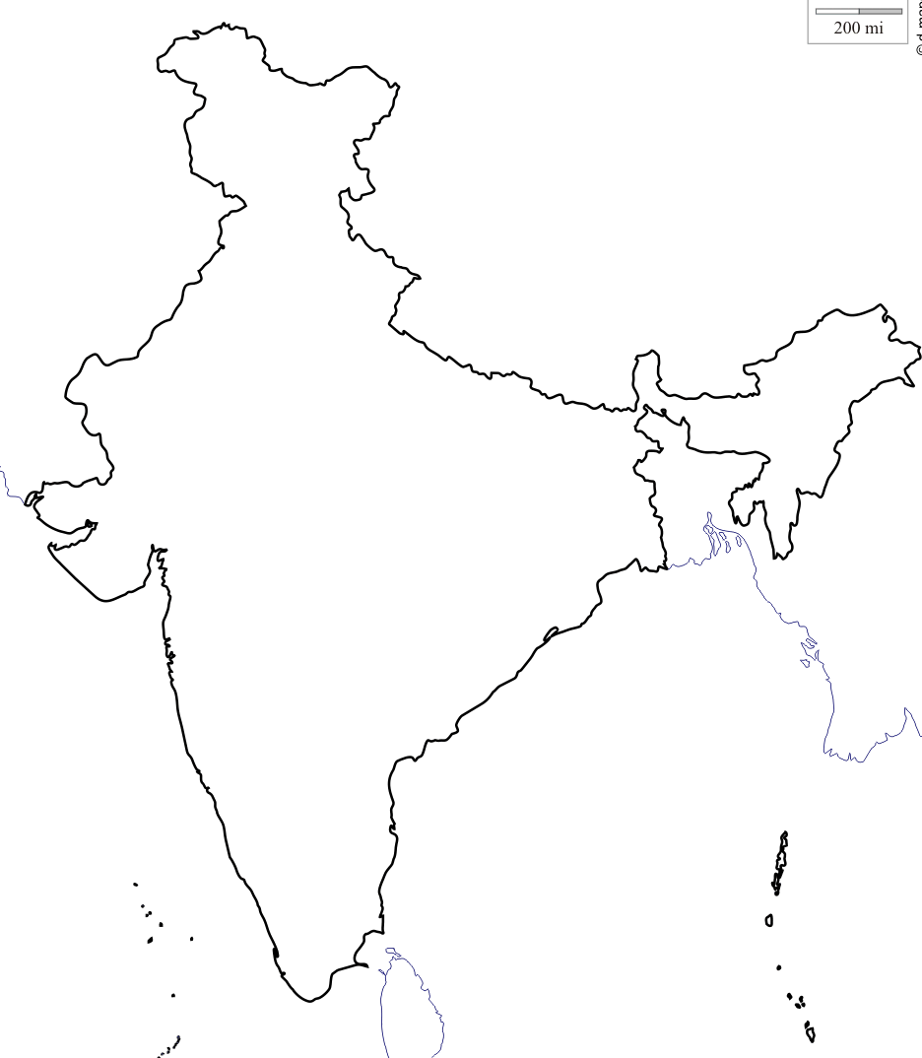
 | North
2020 | 14
2021 | 14
2022 | 15
2023 | #N/A
2024 | #N/A
2025 | #N/A
 | Droids | Iron Man Suits | Light Sabers | Walker Kits | Stormtrooper Helmets | Potato Chips
2020 | 21.06 | 2.18 | 1.29 | #N/A | #N/A | #N/A
2021 | 22.18 | 2.25 | 1.36 | #N/A | #N/A | #N/A
2022 | 23.08 | 2.25 | 1.46 | #N/A | #N/A | #N/A
2023 | #N/A | #N/A | #N/A | #N/A | #N/A | #N/A
2024 | #N/A | #N/A | #N/A | #N/A | #N/A | #N/A
2025 | #N/A | #N/A | #N/A | #N/A | #N/A | #N/A
(all in '000 sq ft)
 | East
2020 | 20
2021 | 22
2022 | 23
2023 | #N/A
2024 | #N/A
2025 | #N/A
Year 2022
73202 Sq ft
North Current Space: 15000 Sq ft

 | 15
 | 17
 | 17
 | #N/A
 | #N/A
 | #N/A
East Current Space: 20000 Sq ft

 | South
2020 | 17
2021 | 18
2022 | 18
2023 | #N/A
2024 | #N/A
2025 | #N/A

West Current Space: 18000 Sq ft

South Current Space: 18000 Sq ft
(all in '000 sq ft)
 | INPUTS
 | Product Details
Change Year | Forecast
2022 | Control Panel

Product Details
SUPPLY CHAIN DETECTIVE

 | Product Departments | Max Stacking | Packets per outer Pack | Outer Pack Size (sqft)
 | Droids | 6 | 1 | 2
 | Iron Man Suits | 8 | 1 | 3
 | Light Sabers | 6 | 4 | 1
 | Walker Kits | 4 | 1 | 10
 | Stormtrooper Helmets (cushioned) | 6 | 4 | 2
 | Potato Chips | 6 | 6 | 1

DASHBOARD

Forecast
SUPPLY CHAIN DETECTIVE

 |  |  |  |  |  |  |  |  |  |  |  |  |  |  |  |  |  |  |  |  |  |  |  |  |  |  |  |  |  | 2021 | 2021 | 2021 | 2021 | 2022 | 2022 | 2022 | 2022 | 2023 | 2023 | 2023 | 2023 | 2024 | 2024 | 2024 | 2024 | 2025 | 2025 | 2025 | 2025
Product Departments | Sales (in 2020) |  |  |  | Projected Growth (in %age) |  |  |  |  |  |  |  |  |  |  |  |  |  |  |  |  |  |  |  | Projected Sales (Total) |  |  |  |  | Projected Sales by region (rounded to the nearest '000)
 |  |  |  |  | 2021 |  |  |  | 2022 |  |  |  | 2023 |  |  |  | 2024 |  |  |  | 2025 |  |  |  | 2021 | 2022 | 2023 | 2024 | 2025 | 2021 |  |  |  | 2022 |  |  |  | 2023 |  |  |  | 2024 |  |  |  | 2025
 | East | West | North | South | E | W | N | S | E | W | N | S | E | W | N | S | E | W | N | S | E | W | N | S |  |  |  |  |  | E | W | N | S | E | W | N | S | E | W | N | S | E | W | N | S | E | W | N | S
Droids | 73651 | 71461 | 91357 | 45768 | 10% | 3% | 2% | 5% | 4% | 4% | 4% | 4% | 4% | 4% | 4% | 4% | 4% | 4% | 4% | 4% | 4% | 4% | 4% | 4% | 296,000 | 308,000 | 320,000 | 332,000 | 345,000 | 81,000 | 74,000 | 93,000 | 48,000 | 84,000 | 77,000 | 97,000 | 50,000 | 87,000 | 80,000 | 101,000 | 52,000 | 90,000 | 83,000 | 105,000 | 54,000 | 94,000 | 86,000 | 109,000 | 56,000
Iron Man Suits | 3567 | 7274 | 4240 | 2949 | 3% | 4% | 4% | 4% | 3% | 3% | 3% | 3% | 3% | 3% | 3% | 3% | 3% | 3% | 3% | 3% | 3% | 3% | 3% | 3% | 19,000 | 19,000 | 19,000 | 19,000 | 19,000 | 4,000 | 8,000 | 4,000 | 3,000 | 4,000 | 8,000 | 4,000 | 3,000 | 4,000 | 8,000 | 4,000 | 3,000 | 4,000 | 8,000 | 4,000 | 3,000 | 4,000 | 8,000 | 4,000 | 3,000
Light Sabers | 49084 | 67679 | 11492 | 44631 | 7% | 6% | 5% | 4% | 7% | 7% | 7% | 7% | 7% | 7% | 7% | 7% | 7% | 7% | 7% | 7% | 7% | 7% | 7% | 7% | 183,000 | 196,000 | 209,000 | 224,000 | 240,000 | 53,000 | 72,000 | 12,000 | 46,000 | 57,000 | 77,000 | 13,000 | 49,000 | 61,000 | 82,000 | 14,000 | 52,000 | 65,000 | 88,000 | 15,000 | 56,000 | 70,000 | 94,000 | 16,000 | 60,000
Walker Kits | 2686 | 1593 | 1389 | 1958 | 2% | 2% | 2% | 2% | 2% | 2% | 2% | 2% | 2% | 2% | 2% | 2% | 2% | 2% | 2% | 2% | 10% | 10% | 10% | 10% | 8,000 | 8,000 | 8,000 | 8,000 | 8,000 | 3,000 | 2,000 | 1,000 | 2,000 | 3,000 | 2,000 | 1,000 | 2,000 | 3,000 | 2,000 | 1,000 | 2,000 | 3,000 | 2,000 | 1,000 | 2,000 | 3,000 | 2,000 | 1,000 | 2,000
Stormtrooper Helmets (cushioned) | 71561 | 29710 | 87113 | 71671 | 20% | 5% | 5% | 5% | 20% | 20% | 20% | 20% | 10% | 10% | 10% | 10% | 10% | 10% | 10% | 10% | 10% | 10% | 10% | 10% | 283,000 | 339,000 | 373,000 | 410,000 | 451,000 | 86,000 | 31,000 | 91,000 | 75,000 | 103,000 | 37,000 | 109,000 | 90,000 | 113,000 | 41,000 | 120,000 | 99,000 | 124,000 | 45,000 | 132,000 | 109,000 | 136,000 | 50,000 | 145,000 | 120,000
Potato Chips | 449542 | 693463 | 120924 | 648839 | 2% | 2% | 2% | 2% | 2% | 2% | 2% | 2% | 2% | 2% | 2% | 2% | 2% | 2% | 2% | 2% | 2% | 2% | 2% | 2% | 1,951,000 | 1,989,000 | 2,029,000 | 2,071,000 | 2,113,000 | 459,000 | 707,000 | 123,000 | 662,000 | 468,000 | 721,000 | 125,000 | 675,000 | 477,000 | 735,000 | 128,000 | 689,000 | 487,000 | 750,000 | 131,000 | 703,000 | 497,000 | 765,000 | 134,000 | 717,000

 |  |  |  |  |  | --> Department Inputs
 |  |  |  |  | 2020 Sales is pre-populated
 |  |  |  |  | Projected sales are auto-populated

DASHBOARD

Control Panel
SUPPLY CHAIN DETECTIVE

Warehousing Assumptions |  |  |  |  | Current Warehousing Space
%age of area for other uses |  |  |  |  | (in sqft)
Aisle Space | 20% |  |  |  | East | West | North | South
Office Space | 5% |  |  |  | 20,000 | 18,000 | 15,000 | 18,000
Staging Area | 2%
IT | 1%
Misc | 3%
 | 31%
Inventory Turns Target
Enter approx. Inventory turns by region-product
Product Departments | East | West | North | South
Droids | 4 | 5 | 6 | 3
Iron Man Suits | 4 | 4 | 2 | 3
Light Sabers | 7 | 5 | 4 | 6
Walker Kits | 1.5 | 2 | 2 | 2
Stormtrooper Helmets (cushioned) | 4 | 5 | 4 | 5
Potato Chips | 12 | 9 | 12 | 8

DASHBOARD

Output
SUPPLY CHAIN DETECTIVE

Space Requirement Calculation
 | Product Details |  |  | 2020 |  |  |  | 2021 |  |  |  | 2022 |  |  |  | 2023 |  |  |  | 2024 |  |  |  | 2025
Product Departments | Max Stacking | Pckts per Pack | Space per Pack | East | West | North | South | East | West | North | South | East | West | North | South | East | West | North | South | East | West | North | South | East | West | North | South
Droids | 6 | 1 | 2 | 6,138 | 4,764 | 5,075 | 5,085 | 6,750 | 4,933 | 5,167 | 5,333 | 7,000 | 5,133 | 5,389 | 5,556 | 7,250 | 5,333 | 5,611 | 5,778 | 7,500 | 5,533 | 5,833 | 6,000 | 7,833 | 5,733 | 6,056 | 6,222
Iron Man Suits | 8 | 1 | 3 | 334 | 682 | 795 | 369 | 375 | 750 | 750 | 375 | 375 | 750 | 750 | 375 | 375 | 750 | 750 | 375 | 375 | 750 | 750 | 375 | 375 | 750 | 750 | 375
Light Sabers | 6 | 4 | 1 | 292 | 564 | 120 | 310 | 315 | 600 | 125 | 319 | 339 | 642 | 135 | 340 | 363 | 683 | 146 | 361 | 387 | 733 | 156 | 389 | 417 | 783 | 167 | 417
Walker Kits | 4 | 1 | 10 | 4,477 | 1,991 | 1,736 | 2,448 | 5,000 | 2,500 | 1,250 | 2,500 | 5,000 | 2,500 | 1,250 | 2,500 | 5,000 | 2,500 | 1,250 | 2,500 | 5,000 | 2,500 | 1,250 | 2,500 | 5,000 | 2,500 | 1,250 | 2,500
Stormtrooper Helmets (cushioned) | 6 | 4 | 2 | 1,491 | 495 | 1,815 | 1,195 | 1,792 | 517 | 1,896 | 1,250 | 2,146 | 617 | 2,271 | 1,500 | 2,354 | 683 | 2,500 | 1,650 | 2,583 | 750 | 2,750 | 1,817 | 2,833 | 833 | 3,021 | 2,000
Potato Chips | 6 | 6 | 1 | 1,041 | 2,140 | 280 | 2,253 | 1,063 | 2,182 | 285 | 2,299 | 1,083 | 2,225 | 289 | 2,344 | 1,104 | 2,269 | 296 | 2,392 | 1,127 | 2,315 | 303 | 2,441 | 1,150 | 2,361 | 310 | 2,490
SUB-TOTAL |  |  |  | 13,772 | 10,637 | 9,821 | 11,659 | 15,295 | 11,482 | 9,472 | 12,076 | 15,943 | 11,867 | 10,084 | 12,615 | 16,446 | 12,219 | 10,553 | 13,056 | 16,973 | 12,581 | 11,043 | 13,522 | 17,609 | 12,961 | 11,553 | 14,003
Total (adding other WH area) |  |  |  | 19,960 | 15,416 | 14,234 | 16,897 | 22,166 | 16,641 | 13,728 | 17,502 | 23,106 | 17,199 | 14,615 | 18,282 | 23,835 | 17,708 | 15,295 | 18,922 | 24,598 | 18,234 | 16,004 | 19,596 | 25,520 | 18,784 | 16,744 | 20,295

 |  |  | Year --> | 2020 | 2021 | 2022 | 2023 | 2024 | 2025
 |  |  | Total | 66,506 | 70,037 | 73,202 | 75,760 | 78,432 | 81,343

Graph Data
SUPPLY CHAIN DETECTIVE

Year Selected | 2022
Space Requirement | 73,202
 |  | Zone-Wise Area |  |  |  |  |  | Department-Wise
 |  | (for map) |  |  |  |  |  | (for trend-line)
 |  |  | East | West | North | South |  |  | 2020 | 2021 | 2022 | 2023 | 2024 | 2025
 |  | 2020 | 20 | 15 | 14 | 17 |  | Droids | 21 | 22 | 23 | 24 | 25 | 26
 |  | 2021 | 22 | 17 | 14 | 18 |  | Iron Man Suits | 2 | 2 | 2 | 2 | 2 | 2
 |  | 2022 | 23 | 17 | 15 | 18 |  | Light Sabers | 1.29 | 1.36 | 1.46 | 1.55 | 1.67 | 1.78
 |  | 2023 | #N/A | #N/A | #N/A | #N/A |  | Walker Kits | 11 | 11 | 11 | 11 | 11 | 11
 |  | 2024 | #N/A | #N/A | #N/A | #N/A |  | Stormtrooper Helmets (cushioned) | 5 | 5 | 7 | 7 | 8 | 9
 |  | 2025 | #N/A | #N/A | #N/A | #N/A |  | Potato Chips | 5.7 | 5.8 | 5.9 | 6.1 | 6 | 6

 |  | Map Tags |  |  |  |  |  |  | 1 | 1 | 1 | 0 | 0 | 0
 |  | East Current Space: 20000 Sq ft |  |  |  |  |  |  | 2020 | 2021 | 2022 | 2023 | 2024 | 2025
 |  | West Current Space: 18000 Sq ft |  |  |  |  | TRUE | Droids | 21.06 | 22.18 | 23.08 | #N/A | #N/A | #N/A
 |  | North Current Space: 15000 Sq ft |  |  |  |  | TRUE | Iron Man Suits | 2.18 | 2.25 | 2.25 | #N/A | #N/A | #N/A
 |  | South Current Space: 18000 Sq ft |  |  |  |  | TRUE | Light Sabers | 1.29 | 1.36 | 1.46 | #N/A | #N/A | #N/A
 |  |  |  |  |  |  | FALSE | Walker Kits | #N/A | #N/A | #N/A | #N/A | #N/A | #N/A
 |  |  |  |  |  |  | FALSE | Stormtrooper Helmets | #N/A | #N/A | #N/A | #N/A | #N/A | #N/A
 |  |  |  |  |  |  | FALSE | Potato Chips | #N/A | #N/A | #N/A | #N/A | #N/A | #N/A

